Sheet1
 |  | Document No. | Issue No. | Issue Date |  | Review and Replace Date |  |  | Authorised By
 |  | GFF010MC | 2 | 23.09.2018 |  | 22.11.2019 |  |  | Magda Shah
 |  | Document Title | Chargrilled Chicken Kebab 50g - Deli Counter
Document amendments reason for change |  | Document reviewed, shelf life amended |  |  | Page 1 of 1 |  | Previous Issue Date | 23.09.2018 | Uncontrolled copy unless signed original

CCKEB-B20X1TEB | BOOTHS - DELI |  | CHARGRILLED CHICKEN KEBAB (50g x 20)
STEP 1 |  |  |  |  | STEP 2
 |  |  |  |  | 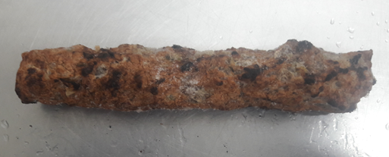

Tray: H3H 50 - CLEAR (PKNUT001-07) |  |  |  |  | CHARGRILLED CHICKEN KEBAB 50g (RMSUR001-01): 50g x 20 units
Film: 410AF (PKPRO001-10)
STEP 3
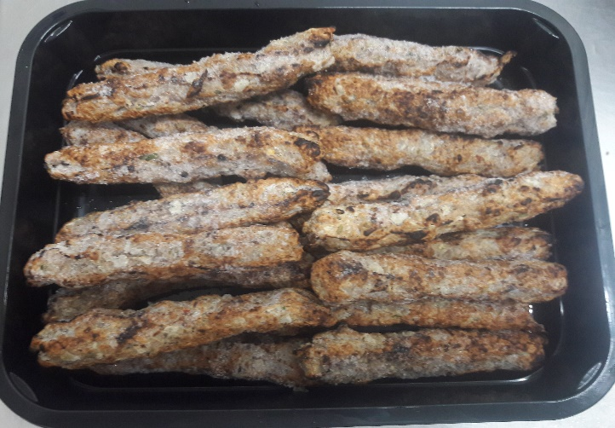 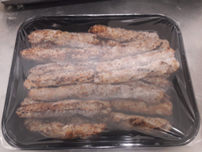 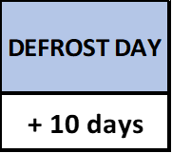

TOTAL WEIGHT: 1000g (20 units)

ALLERGY ALERT: NONE

